Boosting
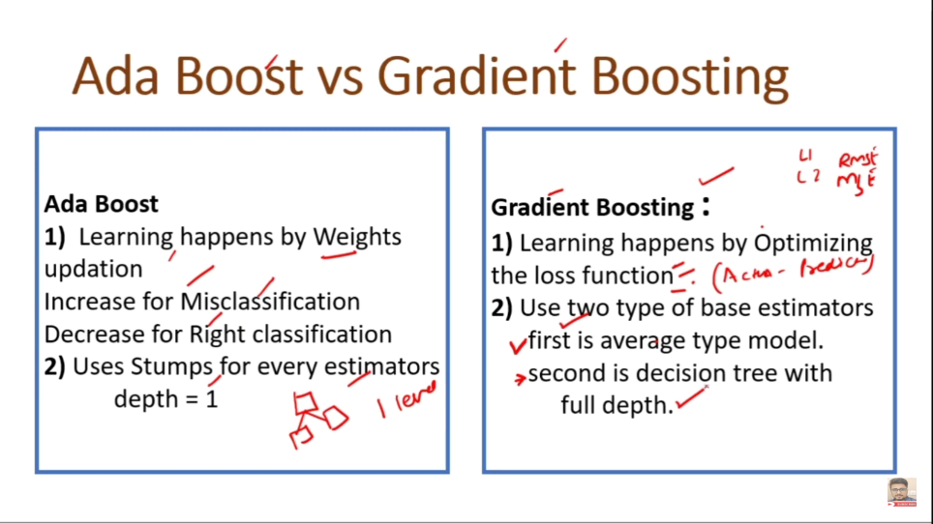
 | Type of Xgboost | XGBClassifier XGBRegressor, XGBRFClassifier, XGBRFRegressor
 |  | booster[default = gbtree]. Gblinear will be used for linear regresison. Tree will not make
1 | What is Boosting | Boosting is sequential method of ensemble model and bagging is parrallel method of ensemble model. Bagging will make multiple decision tree simultenously while boosting will make multiple decision tree one by one. bagging technique had not worked on errors from the model thats why Boosting comes into the picture.
2 | What is Ada Boost | Adaboost changes the sample distribution for each Model by updating the weights of misclassified data points
3 | What is Gboost | Gredient Decient Works on improving the loss or residuels by gredient decent optimization technique. It predicts residuals from second tree and through learning rate it optimises the loss function
4 | What is Xgboost | XGBoost is an advanced implementation of GBM having high predictive power (including a variety of regularisation (choose or define), reducing overfitting and improves overall performance) and is many times faster (parallel processing) and also works best in bias-variance tradeoff situations.

 | Xgboost parameter | clf = XGBClassifier(learning_rate =0.05, n_estimators=300, max_depth=10, min_child_weight=1, gamma=0.5, reg_alpha=0, reg_lambda=2, subsample=0.8, colsample_bytree=0.8, tree_method = 'gpu_hist', predictor= "gpu_predictor", objective='multi:softmax', num_class=14, nthread=20, seed=1000)

